Cover Page
Mckinsey Visuals Dataset.


Get 10% OFF our course using coupon code EMAIL10

Get our PowerPoint for Business and Finance Course.

Made by Career Principles Ltd.

Note
All content is copyright material of Career Principles Ltd.
This Excel model may not be reproduced or distributed by any means, including printing, screencapturing, or any other method without the prior permission of the publisher.

1
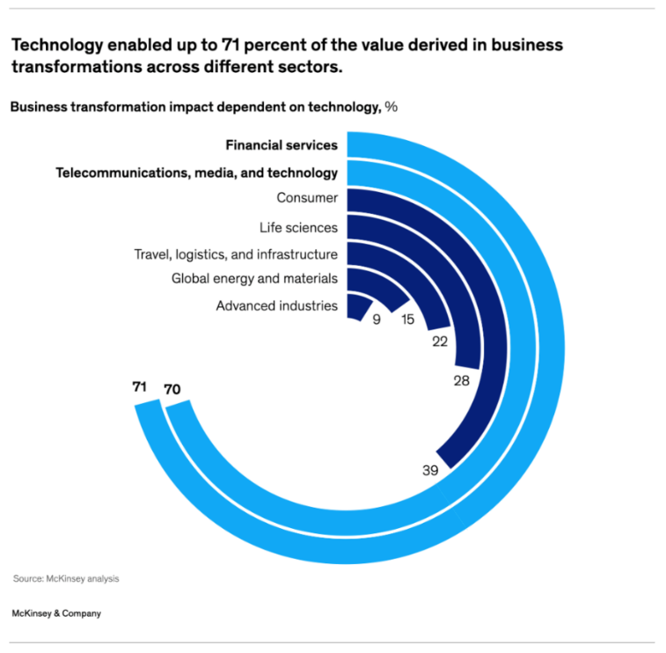
Sector | Transformation | Helper
Advanced industries | 9 | 91
Global energy and materials | 15 | 85
Travel, logistics, and infrastructure | 22 | 78
Life sciences | 28 | 72
Consumer | 39 | 61
Telecommunications, media, and technology | 70 | 30
Financial Services | 71 | 29

2
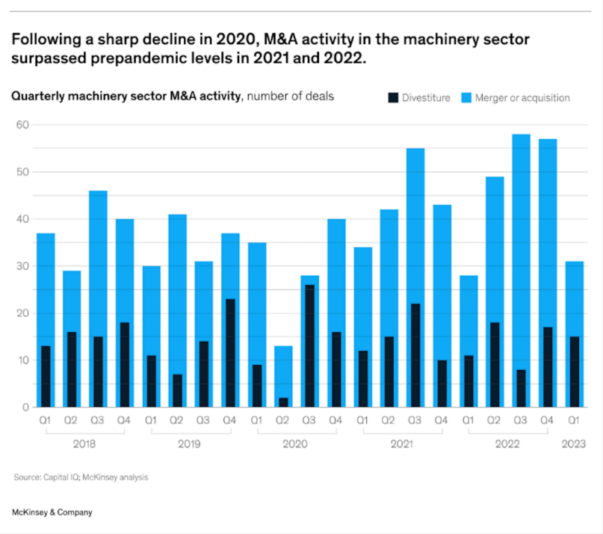
Year | Quarter | Divestiture | Merger or Acquisition
2018 | Q1 | 13 | 36
 | Q2 | 16 | 29
 | Q3 | 15 | 46
 | Q4 | 18 | 40
2019 | Q1 | 11 | 30
 | Q2 | 6 | 41
 | Q3 | 14 | 31
 | Q4 | 23 | 37
2020 | Q1 | 9 | 35
 | Q2 | 2 | 13
 | Q3 | 26 | 27
 | Q4 | 16 | 40
2021 | Q1 | 12 | 34
 | Q2 | 15 | 42
 | Q3 | 21 | 55
 | Q4 | 10 | 43
2022 | Q1 | 11 | 27
 | Q2 | 18 | 49
 | Q3 | 8 | 58
 | Q4 | 16 | 57
2023 | Q1 | 15 | 31

3
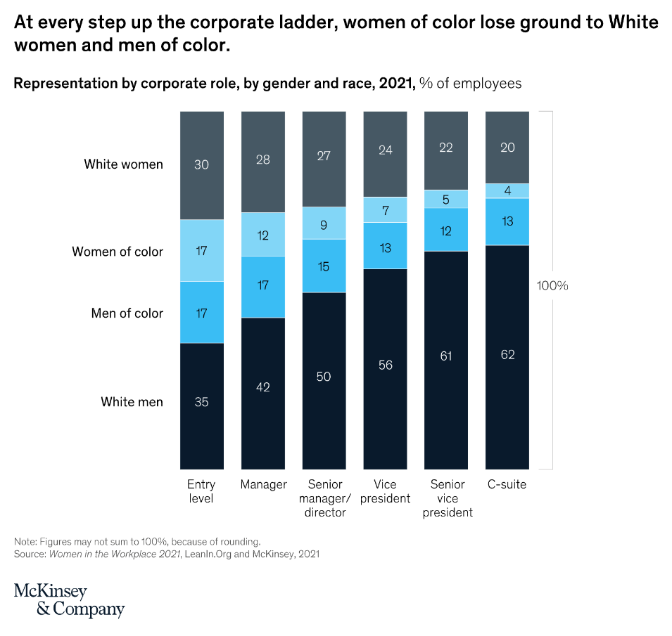
 | Entry level | Manager | Senior manager /director | Vice president | Senior vice president | C-suite
White Women | 30 | 28 | 27 | 24 | 22 | 20
Women of color | 17 | 12 | 9 | 7 | 5 | 4
Men of color | 17 | 17 | 15 | 13 | 12 | 13
White men | 35 | 42 | 50 | 56 | 61 | 62

Sheet1
Q1 | 36 | 13
Q2 | 29 | 16
Q3 | 46 | 15
Q4 | 40 | 18
Q1 | 30 | 11
Q2 | 41 | 6
Q3 | 31 | 14
Q4 | 37 | 23
Q1 | 35 | 9
Q2 | 13 | 2
Q3 | 27 | 26
Q4 | 40 | 16
Q1 | 34 | 12
Q2 | 42 | 15
Q3 | 55 | 21
Q4 | 43 | 10
Q1 | 27 | 11
Q2 | 49 | 18
Q3 | 58 | 8
Q4 | 57 | 16
Q1 | 31 | 15
2018
2019
2021
2020
2022
2023
 | Advanced industries | Global energy and materials | Travel, logistics, and infrastructure | Life sciences | Consumer | Telecommunications, media, and technology | Financial Services
Transformation | 9 | 15 | 22 | 28 | 39 | 70 | 71
Helper | 91 | 85 | 78 | 72 | 61 | 30 | 29
Financial Services
Telecommunications, media, and technology
Consumer
Life sciences
Travel, logistics, and infrastructure
Global energy and materials
Advanced industries
 | White Women | Women of color | Men of color | White men
Entry level | 30 | 17 | 17 | 35
Manager | 28 | 12 | 17 | 42
Senior manager /director | 26.5 | 8.5 | 14.5 | 49.5
Vice president | 24 | 7 | 12.5 | 55.5
Senior vice president | 22 | 5 | 11.5 | 60.5
C-suite | 20 | 4 | 13 | 62
100%

